Table
Technology | Date range | Unit | Compounded average/quarter | Fastest 3-year decline | Log points/quarter |  |  | Chart source data (index, first observation = 100)
Electricity | 1892–1973 | $/watt-hour | 1.2% |  | 1.2% | 54 | 1.05x/year | Electricity |  | Lithium batteries |  | Compute |  | DNA sequencing |  | LLM inference
Lithium batteries | 1991–2024 | $/watt-hour | 3.6% | 7.6% | 3.6% | 18 | 1.16x/year | t | Index | t | Index | t | Index | t | Index | t | Index
Illumination | 1800–2023 | £/lumen-hour | 0.9% | 0.0% | 0.9% | 68 | 1.04x/year | 0 | 100 | 0 | 100 | 0 | 100 | 0 | 100 | 0 | 100
Compute | 1940–2001 | $/calculation | 9.9% |  | 10.4% | 6 | 1.51x/year | 5 | 98.103137396 | 1 | 80.216650399 | 1 | 100 | 0.49828884326 | 72.966450167 | 1.6163586585 | 1.6493911423
DNA sequencing | 2001–22 | $/human genome | 14.2% | 37.9% | 15.3% | 4 | 1.84x/year | 10 | 77.924442228 | 2 | 63.861393255 | 2 | 35.115476039 | 0.9993155373 | 63.222391133 | 4.7829586585 | 0.00053075186958
LLM inference | 2023–26 | $, given benchmark score | 47.0% | 47.0% | 63.5% | 1 | 12.67x/year | 15 | 46.036688553 | 3 | 72.902084964 | 3 | 7.8033172754 | 1.4976043806 | 54.699705192
Price drops expressed as compounded quarterly rates, after inflation adjustment. |  |  |  |  |  |  |  | 20 | 38.533537553 | 4 | 68.422648511 | 4 | 7.8033172754 | 2.083504449 | 40.468201668
 |  |  |  |  |  |  |  | 25 | 24.215681818 | 5 | 57.629766032 | 5 | 7.8033172754 | 2.3353867214 | 28.738925601
Year | t | LLM inference |  |  |  |  |  | 30 | 18.106558442 | 6 | 49.350477675 | 6 | 4.6382056927 | 2.5817932923 | 20.250436289
2021.88 | 0.00 | 100 |  |  |  |  |  | 34 | 16.30097586 | 7 | 39.704364603 | 7 | 4.6382056927 | 2.8336755647 | 19.642611798
2023.50 | 1.62 | 1.649 |  |  |  |  |  | 35 | 16.155632184 | 8 | 30.073870034 | 8 | 4.6382056927 | 3.0855578371 | 18.010307127
2026.67 | 4.78 | 0.001 |  |  |  |  |  | 36 | 15.98108453 | 9 | 29.213463725 | 9 | 0.57840715826 | 3.3374401095 | 16.990976065
 |  |  |  |  |  |  |  | 37 | 15.257958533 | 10 | 20.390688398 | 10 | 0.57840715826 | 3.5811088296 | 15.561315407
 |  |  |  |  |  |  |  | 38 | 14.882972237 | 11 | 14.609075995 | 11 | 0.57840715826 | 3.832991102 | 15.382443136
 |  |  |  |  |  |  |  | 39 | 15.673755981 | 12 | 11.295786316 | 12 | 0.57840715826 | 4.0848733744 | 12.988182069
 |  |  |  |  |  |  |  | 40 | 16.878394161 | 13 | 10.10728212 | 13 | 0.11894462989 | 4.3367556468 | 11.767092915
 |  |  |  |  |  |  |  | 41 | 17.501874126 | 14 | 8.7135380984 | 14 | 0.11894462989 | 4.5804243669 | 10.86591855
 |  |  |  |  |  |  |  | 42 | 16.394993216 | 15 | 7.4623091931 | 15 | 0.039869035438 | 4.8323066393 | 10.479033872
 |  |  |  |  |  |  |  | 43 | 15.073218315 | 16 | 7.120734227 | 18 | 0.039869035438 | 5.0841889117 | 9.6672432807
 |  |  |  |  |  |  |  | 44 | 13.848122956 | 17 | 7.4662293993 | 19 | 0.039869035438 | 5.3360711841 | 8.588924108
 |  |  |  |  |  |  |  | 45 | 12.279583333 | 18 | 6.6510416135 | 20 | 0.014230696121 | 5.5797399042 | 8.157688002
 |  |  |  |  |  |  |  | 46 | 12.102359768 | 19 | 5.9794450301 | 21 | 0.013078890528 | 5.8316221766 | 8.0144379342
 |  |  |  |  |  |  |  | 47 | 11.861347286 | 20 | 5.6958182369 | 22 | 0.013078890528 | 6.083504449 | 6.3202787487
 |  |  |  |  |  |  |  | 48 | 11.305558442 | 21 | 5.8597070866 | 23 | 0.013078890528 | 6.3353867214 | 2.6855959871
 |  |  |  |  |  |  |  | 49 | 10.458763142 | 22 | 5.3298723267 | 24 | 0.0044641876916 | 6.5817932923 | 1.1720659796
 |  |  |  |  |  |  |  | 50 | 9.3056999442 | 23 | 4.7150820338 | 25 | 0.0044641876916 | 6.8336755647 | 0.64114083442
 |  |  |  |  |  |  |  | 51 | 8.5771939044 | 24 | 3.6040658051 | 26 | 0.0044641876916 | 7.0855578371 | 0.29956434298
 |  |  |  |  |  |  |  | 52 | 8.2202169421 | 25 | 2.812090469 | 27 | 0.0044641876916 | 7.3374401095 | 0.20398733178
 |  |  |  |  |  |  |  | 53 | 7.8085555556 | 26 | 2.0303510336 | 29 | 0.0023236862296 | 7.5811088296 | 0.13540116803
 |  |  |  |  |  |  |  | 54 | 6.8062843823 | 27 | 1.7046262688 | 30 | 0.0023236862296 | 7.832991102 | 0.093512050058
 |  |  |  |  |  |  |  | 55 | 5.7113982878 | 28 | 1.4331889649 | 31 | 0.0023236862296 | 8.0848733744 | 0.060360355327
 |  |  |  |  |  |  |  | 56 | 5.1479969823 | 29 | 1.3354715355 | 32 | 0.0023236862296 | 8.3367556468 | 0.040133189211
 |  |  |  |  |  |  |  | 57 | 5.1089763178 | 30 | 1.2920415668 | 33 | 0.0023236862296 | 8.5804243669 | 0.027036791526
 |  |  |  |  |  |  |  | 58 | 4.9256582422 | 31 | 1.4331889649 | 35 | 0.0023236862296 | 8.8323066393 | 0.026627115543
 |  |  |  |  |  |  |  | 59 | 4.4547342657 | 32 | 1.2051816296 | 36 | 0.00031618192757 | 9.0841889117 | 0.02469877563
 |  |  |  |  |  |  |  | 60 | 4.3084665523 | 33 | 0.84688438834 | 37 | 7.2772030948E-05 | 9.3360711841 | 0.017612212417
 |  |  |  |  |  |  |  | 61 | 4.2298808308 |  |  | 38 | 7.2772030948E-05 | 9.5797399042 | 0.013859234685
 |  |  |  |  |  |  |  | 62 | 4.1218181818 |  |  | 40 | 7.2772030948E-05 | 9.8316221766 | 0.0086550335983
 |  |  |  |  |  |  |  | 63 | 4.0602985075 |  |  | 42 | 1.2546901888E-05 | 10.080766598 | 0.0063548184018
 |  |  |  |  |  |  |  | 64 | 3.939973262 |  |  | 43 | 1.2546901888E-05 | 10.335386721 | 0.0062594839265
 |  |  |  |  |  |  |  | 65 | 3.7551083792 |  |  | 44 | 1.2546901888E-05 | 10.581793292 | 0.004810327885
 |  |  |  |  |  |  |  | 66 | 3.6083737024 |  |  | 45 | 1.2546901888E-05 | 10.833675565 | 0.0048527658871
 |  |  |  |  |  |  |  | 67 | 3.5410809122 |  |  | 46 | 2.5093803775E-06 | 11.085557837 | 0.0053356606328
 |  |  |  |  |  |  |  | 68 | 3.439490172 |  |  | 47 | 2.5093803775E-06 | 11.33744011 | 0.0045390613351
 |  |  |  |  |  |  |  | 69 | 3.377409547 |  |  | 48 | 4.7678227173E-07 | 11.58110883 | 0.004462152893
 |  |  |  |  |  |  |  | 70 | 3.2892655027 |  |  | 50 | 4.7678227173E-07 | 11.832991102 | 0.0044322785485
 |  |  |  |  |  |  |  | 71 | 3.1923885918 |  |  | 51 | 1.5056282265E-07 | 12.084873374 | 0.0040583822454
 |  |  |  |  |  |  |  | 72 | 3.0714193548 |  |  | 52 | 1.5056282265E-07 | 12.336755647 | 0.0031723427882
 |  |  |  |  |  |  |  | 73 | 2.9441558442 |  |  | 53 | 5.018760755E-08 | 12.580424367 | 0.0038719458844
 |  |  |  |  |  |  |  | 74 | 2.7987654321 |  |  | 54 | 2.5093803775E-08 | 12.832306639 | 0.003850821568
 |  |  |  |  |  |  |  | 75 | 2.6779477409 |  |  | 55 | 2.5093803775E-08 | 13.084188912 | 0.004508408904
 |  |  |  |  |  |  |  | 76 | 2.5109926855 |  |  | 56 | 2.5093803775E-08 | 13.336071184 | 0.0031447903655
 |  |  |  |  |  |  |  | 77 | 2.3473024523 |  |  | 57 | 2.5093803775E-08 | 13.579739904 | 0.0033123140455
 |  |  |  |  |  |  |  | 78 | 2.2308809747 |  |  | 58 | 5.9723252985E-09 | 13.831622177 | 0.0010677107071
 |  |  |  |  |  |  |  | 79 | 2.2288350168 |  |  | 59 | 3.7389767625E-09 | 14.083504449 | 0.00097541058847
 |  |  |  |  |  |  |  | 80 | 2.2581252719 |  |  | 60 | 3.7389767625E-09 | 14.666666667 | 0.00091246967032
 |  |  |  |  |  |  |  | 81 | 2.2094430794 |  |  | 61 | 1.0263365744E-09 | 14.918548939 | 0.0011655187675
 |  |  |  |  |  |  |  |  |  |  |  |  |  | 15.167693361 | 0.0010417268641
 |  |  |  |  |  |  |  |  |  |  |  |  |  | 15.414099932 | 0.00077616015134
 |  |  |  |  |  |  |  |  |  |  |  |  |  | 15.665982204 | 0.0010181197747
 |  |  |  |  |  |  |  |  |  |  |  |  |  | 15.917864476 | 0.00085785382608
 |  |  |  |  |  |  |  |  |  |  |  |  |  | 16.167008898 | 0.0013873546008
 |  |  |  |  |  |  |  |  |  |  |  |  |  | 16.413415469 | 0.00092049523125
 |  |  |  |  |  |  |  |  |  |  |  |  |  | 16.665297741 | 0.0010866685918
 |  |  |  |  |  |  |  |  |  |  |  |  |  | 16.917180014 | 0.0010847204117
 |  |  |  |  |  |  |  |  |  |  |  |  |  | 17.166324435 | 0.0010264509761
 |  |  |  |  |  |  |  |  |  |  |  |  |  | 17.412731006 | 0.00072814851439
 |  |  |  |  |  |  |  |  |  |  |  |  |  | 17.582477755 | 0.00044276553363
 |  |  |  |  |  |  |  |  |  |  |  |  |  | 17.834360027 | 0.00068601844627
 |  |  |  |  |  |  |  |  |  |  |  |  |  | 18.165639973 | 0.00050125444788
 |  |  |  |  |  |  |  |  |  |  |  |  |  | 18.412046543 | 0.00046566339493
 |  |  |  |  |  |  |  |  |  |  |  |  |  | 18.666666667 | 0.00050883900052
 |  |  |  |  |  |  |  |  |  |  |  |  |  | 18.918548939 | 0.00049373666442
 |  |  |  |  |  |  |  |  |  |  |  |  |  | 19.167693361 | 0.00036423861203
 |  |  |  |  |  |  |  |  |  |  |  |  |  | 19.414099932 | 0.0005986665156
 |  |  |  |  |  |  |  |  |  |  |  |  |  | 19.665982204 | 0.00031275476068
 |  |  |  |  |  |  |  |  |  |  |  |  |  | 19.917864476 | 0.00038263289384
 |  |  |  |  |  |  |  |  |  |  |  |  |  | 20.167008898 | 0.00036656030167
 |  |  |  |  |  |  |  |  |  |  |  |  |  | 20.413415469 | 0.00033999026951
 |  |  |  |  |  |  |  |  |  |  |  |  |  | 20.665297741 | 0.00033159531997

Electricity
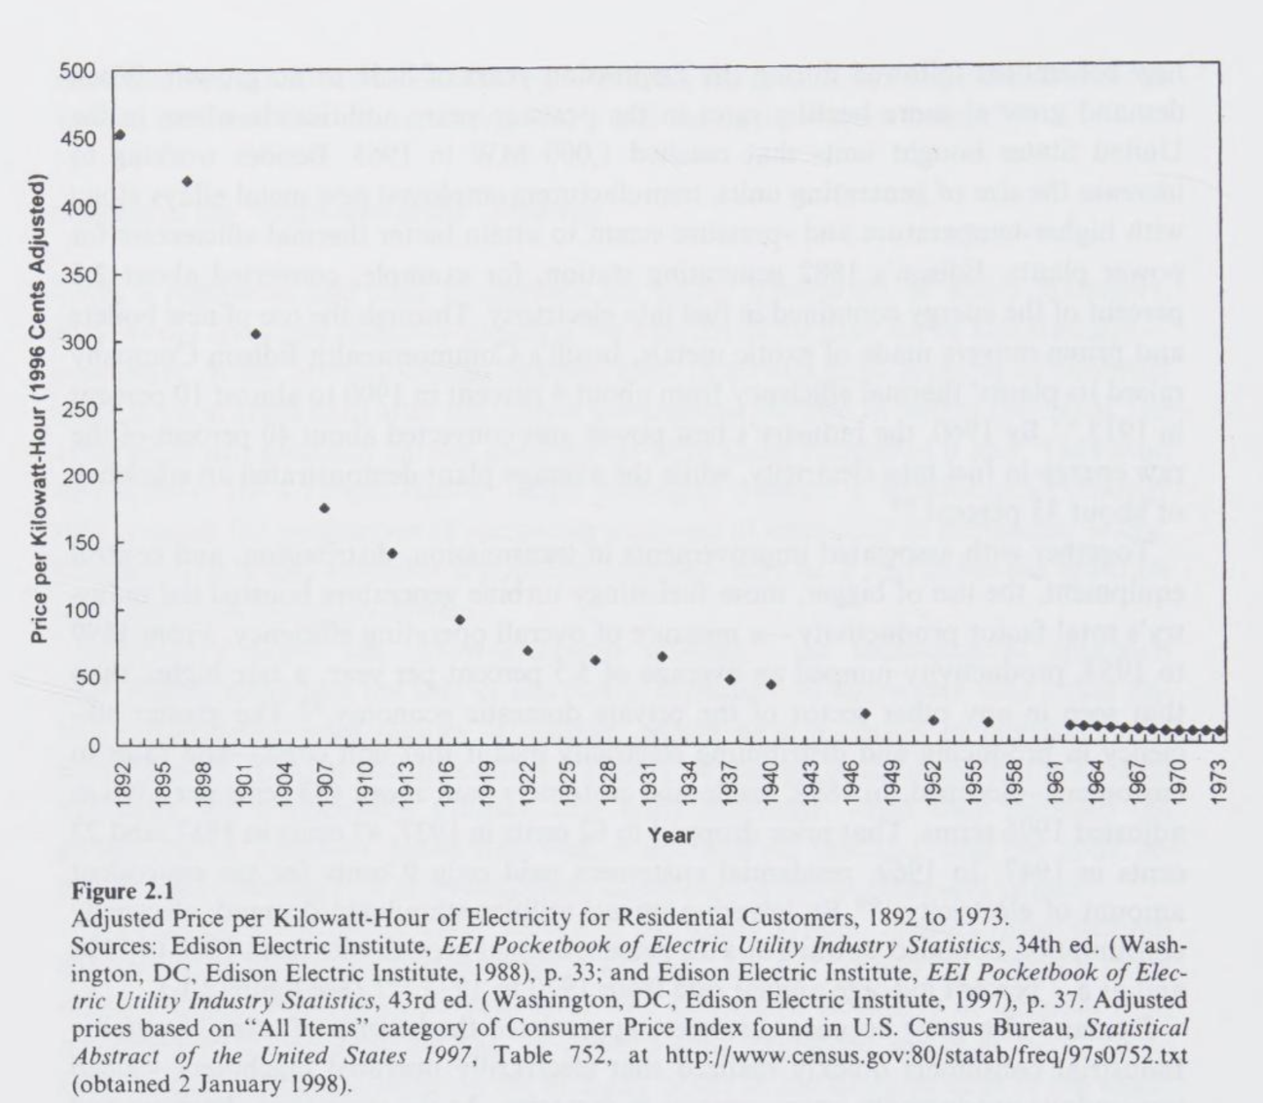
 | Hersh (1999) |  | Edison Electric Institute |  |  | Combined
Year | Nominal | Real (1982-84 $) | Year | Nominal | Real (1982-84 $) | Year | Real (1982-84 $) |  | Index
1892 | 22 | 242.61 |  |  |  | 1892 | 242.61 | 0 | 100
1892 | 242.61
1897 | 238.01
1902 | 189.05
1907 | 111.69
1912 | 93.49
1917 | 58.75
1922 | 43.93
1926 | 39.55
1927 | 39.20
1928 | 38.77
1929 | 37.02
1930 | 36.11
1931 | 38.03
1932 | 40.95
1933 | 42.46
1934 | 39.78
1935 | 36.57
1936 | 33.60
1937 | 29.79
1938 | 29.36
1939 | 28.78
1940 | 27.43
1941 | 25.37
1942 | 22.58
1943 | 20.81
1944 | 19.94
1945 | 18.94
1946 | 16.51
1947 | 13.86
1948 | 12.49
1949 | 12.39
1950 | 11.95
1951 | 10.81
1952 | 10.45
1953 | 10.26
1954 | 10.00
1955 | 9.85
1956 | 9.56
1957 | 9.11
1958 | 8.75
1959 | 8.59
1960 | 8.34
1961 | 8.19
1962 | 7.98
1963 | 7.75
1964 | 7.45
1965 | 7.14
1966 | 6.79
1967 | 6.50
1968 | 6.09
...
1897 | 19.8 | 238.01 |  |  |  | 1897 | 238.01 | 5 | 98.103137396
1902 | 16.2 | 189.05 |  |  |  | 1902 | 189.05 | 10 | 77.924442228
1907 | 10.5 | 111.69 |  |  |  | 1907 | 111.69 | 15 | 46.036688553
1912 | 9.1 | 93.49 |  |  |  | 1912 | 93.49 | 20 | 38.533537553
1917 | 7.52 | 58.75 |  |  |  | 1917 | 58.75 | 25 | 24.215681818
1922 | 7.38 | 43.93 |  |  |  | 1922 | 43.93 | 30 | 18.106558442
1927 | 6.82 | 39.20 | 1926 | 7 | 39.55 | 1926 | 39.55 | 34 | 16.30097586
1932 | 5.6 | 40.88 | 1927 | 6.82 | 39.20 | 1927 | 39.20 | 35 | 16.155632184
1937 | 4.3 | 29.86 | 1928 | 6.63 | 38.77 | 1928 | 38.77 | 36 | 15.98108453
1940 | 3.84 | 27.43 | 1929 | 6.33 | 37.02 | 1929 | 37.02 | 37 | 15.257958533
1947 | 3.09 | 13.86 | 1930 | 6.03 | 36.11 | 1930 | 36.11 | 38 | 14.882972237
1952 | 2.77 | 10.45 | 1931 | 5.78 | 38.03 | 1931 | 38.03 | 39 | 15.673755981
1956 | 2.61 | 9.60 | 1932 | 5.61 | 40.95 | 1932 | 40.95 | 40 | 16.878394161
1962 | 2.41 | 7.98 | 1933 | 5.52 | 42.46 | 1933 | 42.46 | 41 | 17.501874126
1963 | 2.37 | 7.75 | 1934 | 5.33 | 39.78 | 1934 | 39.78 | 42 | 16.394993216
1964 | 2.31 | 7.45 | 1935 | 5.01 | 36.57 | 1935 | 36.57 | 43 | 15.073218315
1965 | 2.25 | 7.14 | 1936 | 4.67 | 33.60 | 1936 | 33.60 | 44 | 13.848122956
1966 | 2.2 | 6.79 | 1937 | 4.29 | 29.79 | 1937 | 29.79 | 45 | 12.279583333
1967 | 2.17 | 6.50 | 1938 | 4.14 | 29.36 | 1938 | 29.36 | 46 | 12.102359768
1968 | 2.12 | 6.09 | 1939 | 4 | 28.78 | 1939 | 28.78 | 47 | 11.861347286
1969 | 2.09 | 5.69 | 1940 | 3.84 | 27.43 | 1940 | 27.43 | 48 | 11.305558442
1970 | 2.1 | 5.41 | 1941 | 3.73 | 25.37 | 1941 | 25.37 | 49 | 10.458763142
1971 | 2.19 | 5.41 | 1942 | 3.68 | 22.58 | 1942 | 22.58 | 50 | 9.3056999442
1972 | 2.29 | 5.48 | 1943 | 3.6 | 20.81 | 1943 | 20.81 | 51 | 8.5771939044
1973 | 2.38 | 5.36 | 1944 | 3.51 | 19.94 | 1944 | 19.94 | 52 | 8.2202169421
1974 | 2.83 | 5.74 | 1945 | 3.41 | 18.94 | 1945 | 18.94 | 53 | 7.8085555556
1975 | 3.21 | 5.97 | 1946 | 3.22 | 16.51 | 1946 | 16.51 | 54 | 6.8062843823
1976 | 3.45 | 6.06 | 1947 | 3.09 | 13.86 | 1947 | 13.86 | 55 | 5.7113982878 | Richard Hersh, Power loss : the origins of deregulation and restructuring in the American electric utility system
1977 | 3.78 | 6.24 | 1948 | 3.01 | 12.49 | 1948 | 12.49 | 56 | 5.1479969823 | https://archive.org/details/powerlossorigins0000hirs/page/48/mode/2up
1978 | 4.03 | 6.18 | 1949 | 2.95 | 12.39 | 1949 | 12.39 | 57 | 5.1089763178 | Nominal prices received from Richard Hersh, Virginia Tech, September 11, 2026.
1979 | 4.43 | 6.10 | 1950 | 2.88 | 11.95 | 1950 | 11.95 | 58 | 4.9256582422
1980 | 5.12 | 6.21 | 1951 | 2.81 | 10.81 | 1951 | 10.81 | 59 | 4.4547342657
1981 | 5.86 | 6.45 | 1952 | 2.77 | 10.45 | 1952 | 10.45 | 60 | 4.3084665523
1982 | 6.44 | 6.67 | 1953 | 2.74 | 10.26 | 1953 | 10.26 | 61 | 4.2298808308
1983 | 6.83 | 6.86 | 1954 | 2.69 | 10.00 | 1954 | 10.00 | 62 | 4.1218181818
1984 | 7.17 | 6.90 | 1955 | 2.64 | 9.85 | 1955 | 9.85 | 63 | 4.0602985075
1985 | 7.39 | 6.87 | 1956 | 2.6 | 9.56 | 1956 | 9.56 | 64 | 3.939973262
1986 | 7.43 | 6.78 | 1957 | 2.56 | 9.11 | 1957 | 9.11 | 65 | 3.7551083792
1987 | 7.45 | 6.56 | 1958 | 2.53 | 8.75 | 1958 | 8.75 | 66 | 3.6083737024
1988 | 7.49 | 6.33 | 1959 | 2.5 | 8.59 | 1959 | 8.59 | 67 | 3.5410809122
1989 | 7.65 | 6.17 | 1960 | 2.47 | 8.34 | 1960 | 8.34 | 68 | 3.439490172
1990 | 7.83 | 5.99 | 1961 | 2.45 | 8.19 | 1961 | 8.19 | 69 | 3.377409547
1991 | 8.05 | 5.91 | 1962 | 2.41 | 7.98 | 1962 | 7.98 | 70 | 3.2892655027
1992 | 8.22 | 5.86 | 1963 | 2.37 | 7.75 | 1963 | 7.75 | 71 | 3.1923885918
1993 | 8.29 | 5.74 | 1964 | 2.31 | 7.45 | 1964 | 7.45 | 72 | 3.0714193548
1994 | 8.38 | 5.65 | 1965 | 2.25 | 7.14 | 1965 | 7.14 | 73 | 2.9441558442
1995 | 8.4 | 5.51 | 1966 | 2.2 | 6.79 | 1966 | 6.79 | 74 | 2.7987654321
1996 | 8.36 | 5.33 | 1967 | 2.17 | 6.50 | 1967 | 6.50 | 75 | 2.6779477409
1997 | 8.43 | 5.25 | 1968 | 2.12 | 6.09 | 1968 | 6.09 | 76 | 2.5109926855
1998 | 8.26 | 5.07 | 1969 | 2.09 | 5.69 | 1969 | 5.69 | 77 | 2.3473024523
1999 | 8.16 | 4.90 | 1970 | 2.1 | 5.41 | 1970 | 5.41 | 78 | 2.2308809747
2000 | 8.24 | 4.79 | 1971 | 2.19 | 5.41 | 1971 | 5.41 | 79 | 2.2288350168
2001 | 8.62 | 4.87 | 1972 | 2.29 | 5.48 | 1972 | 5.48 | 80 | 2.2581252719
2002 | 8.46 | 4.70 | 1973 | 2.38 | 5.36 | 1973 | 5.36 | 81 | 2.2094430794
2003 | 8.7 | 4.73
2004 | 8.95 | #N/A
2005 | 9.45 | #N/A
2006 | 10.4 | #N/A
2007 | 10.65 | #N/A
2008 | 11.26 | #N/A
2009 | 11.51 | #N/A
2010 | 11.54 | #N/A
2011 | 11.72 | #N/A
2012 | 11.88 | #N/A
2013 | 12.13 | #N/A
2014 | 12.52 | #N/A
2015 | 12.65 | #N/A
2016 | 12.55 | #N/A
2017 | 12.89 | #N/A
2018 | 12.87 | #N/A
2019 | 13.01 | #N/A
2020 | 13.15 | #N/A
2021 | 13.66 | #N/A
2022 | 15.04 | #N/A
2023 | 16 | #N/A
2024 | 16.48 | #N/A
2025 | 17.3 | #N/A

